data
256x256 PSNR |  |  |  |  |  |  | 256x256 SSIM |  |  |  |  |  |  | 256x256 Computation Time

Sample Percentage | Random | Cartesian | Radial | Spiral | VDR | VDC | Sample Percentage | Random | Cartesian | Radial | Spiral | VDR | VDC | Sample Percentage | Random | Cartesian | Radial | Spiral | VDR | VDC
10% | 10.5142 | 8.81581 | 10.0101 | 11.524 | 9.9638 | 18.2217 | 10% | 0.0688582 | 0.0128542 | 0.340753 | 0.571106 | 0.0027941 | 0.791759 | 10% | 21491 | 24434 | 21945 | 22327 | 22347 | 22462
20% | 11.1123 | 11.6346 | 14.1195 | 16.6863 | 13.6883 | 23.3195 | 20% | 0.0688887 | 0.251281 | 0.67315 | 0.829282 | 0.205514 | 0.94985 | 20% | 33784 | 33503 | 32114 | 31734 | 33067 | 33903
25% | 14.1134 | 14.8477 | 17.2121 | 16.3206 | 11.526 | 19.5333 | 25% | 0.396723 | 0.497686 | 0.769819 | 0.839143 | 0.191123 | 0.861999 | 25% | 37824 | 38810 | 37558 | 36979 | 38099 | 38633
30% | 14.1641 | 13.0028 | 17.3702 | 19.7156 | 15.0062 | 23.708 | 30% | 0.357702 | 0.312178 | 0.793567 | 0.899507 | 0.415146 | 0.959966 | 30% | 41685 | 43848 | 43149 | 41573 | 41864 | 41902
40% | 10.5246 | 12.4722 | 13.3185 | 21.9417 | 10.3207 | 23.8143 | 40% | 0.0031012 | 0.249078 | 0.655949 | 0.928087 | 0.0791671 | 0.949093 | 40% | 53023 | 53691 | 52001 | 55389 | 64072 | 51816
50% | 14.5215 | 9.90364 | 21.4814 | 22.2842 | 14.2468 | 16.7217 | 50% | 0.497137 | 0.102562 | 0.89144 | 0.938167 | 0.347824 | 0.732832 | 50% | 62831 | 64143 | 63973 | 66504 | 77140 | 67298
60% | 14.6968 | 11.2128 | 26.5657 | 23.3629 | 11.6131 | 22.3857 | 60% | 0.443504 | 0.308494 | 0.967128 | 0.949537 | 0.281793 | 0.92667 | 60% | 72736 | 73256 | 73022 | 71706 | 89988 | 72080
70% | 15.7992 | 10.9314 | 27.8213 | 24.6375 | 12.0101 | 28.2646 | 70% | 0.580992 | 0.362163 | 0.97887 | 0.954647 | 0.389777 | 0.983287 | 70% | 82172 | 83251 | 81539 | 86718 | 102548 | 85262
75% | 14.9816 | 11.5495 | 24.2066 | 24.3982 | 12.9014 | 23.3821 | 75% | 0.568589 | 0.41116 | 0.939804 | 0.955993 | 0.300643 | 0.942851 | 75% | 86284 | 88142 | 88585 | 89894 | 109596 | 90438
80% | 15.0996 | 12.5758 | 24.8444 | 24.8555 | 14.6235 | 28.3403 | 80% | 0.595713 | 0.478953 | 0.95025 | 0.957802 | 0.528783 | 0.982621 | 80% | 92255 | 93593 | 92754 | 91864 | 115952 | 97063
90% | 10.5514 | 16.5865 | 20.9587 | 25.2573 | 12.3775 | 32.2375 | 90% | 0.24789 | 0.750581 | 0.919782 | 0.960392 | 0.382075 | 0.992354 | 90% | 101024 | 102242 | 102292 | 100819 | 130020 | 104052
100% | 14.8472 | 32.5558 | 25.8743 | 25.3187 | 14.8182 | 32.5558 | 100% | 0.552002 | 0.993284 | 0.961685 | 0.961571 | 0.601021 | 0.993284 | 100% | 118229 | 114738 | 113344 | 114589 | 141663 | 114663
110% | 15.4982 | 31.3174 | 29.2412 | 25.5442 | 14.23 | 32.5558 | 110% | 0.60861 | 0.99168 | 0.988328 | 0.96295 | 0.549547 | 0.993284 | 110% | 121091 | 122488 | 119719 | 128278 | 155189 | 113119

PSNR
SSIM
Computation Time

images
 | 256x256 20%

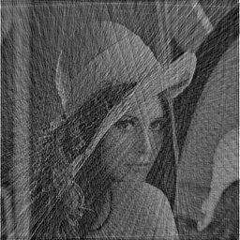
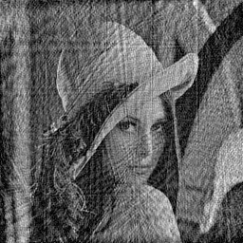
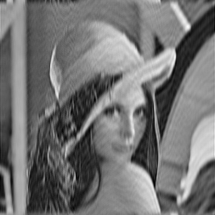

Radial |  | Spiral | VDC

 | Ghosting Examples 256x256 at 50% Sampling

No Ghosting |  | Moderate Ghosting | Severe Ghosting
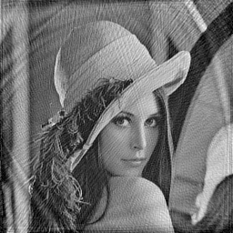
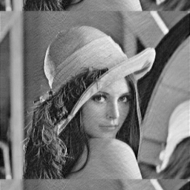
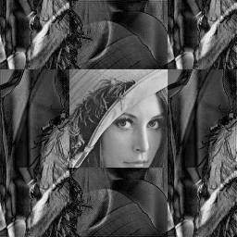

Spiral |  | VDC | Cartesian

